Chi-Squared Distribution
7.6 Distribution of the Sample Variance of a Normal Population

Chi-squared Distribution
It is the distribution of the sum of the squares of independent standard normal random variables.

If Z1, . . . , Zn are independent standard normal random variables, then the random variable

is said to be a chi-squared random variable with n degrees of freedom.

Figure below presents the chi-squared density functions for three different values of
the degree of freedom parameter n.
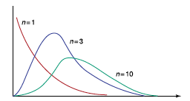

 |  | Positively skewed, ranging between zero and infinity.
 |  | (NOT symmetric)

Expected value of a chi-squared random variable

Since the expected value of standard normal variable is zero, we have

with one degree of freedom, n=1.

The expected value of a chi-squared random variable is equal to its number of
degrees of freedom(d.o.f).

D.O.F.
The degrees of freedom of an estimate is the number of independent pieces of information that go into the estimate.
In general, the degrees of freedom for an estimate is equal to the number of values minus
the number of parameters estimated en route to the estimate in question.

Suppose now that we have a sample X1, . . . , Xn from a normal population having
mean μ and variance σ^2. Consider the sample variance S^2 defined by

Then

has a chi-squared distribution with n-1 degrees of freedom.

Chi-squared density function is given by

where

WHEN DO WE USE CHI-SQUARED DISTRIBUTION?
The Chi-Square distribution is often used to judge “how far away” some number is from some other number.
Generally the chi-squared statistic summarizes the discrepancies between the expected number of times each
outcome occurs and the observed number of times each outcome occurs,
by summing the squares of the discrepancies, normalized by the expected numbers, over all the categories

 | value of with n degree of freedom (d.o.f) such that the area to its right under curve is A.



EXCEL COMMANDS:

CHIDIST(x,n)=probability (area) to right under pdf.
CHIINV(prob, n)=value of a chi-sq. random variable.

Example:

CHIINV(0.05,8)= | 15.507313056
CHIDIST(15.5,8)= | 0.05

Examples
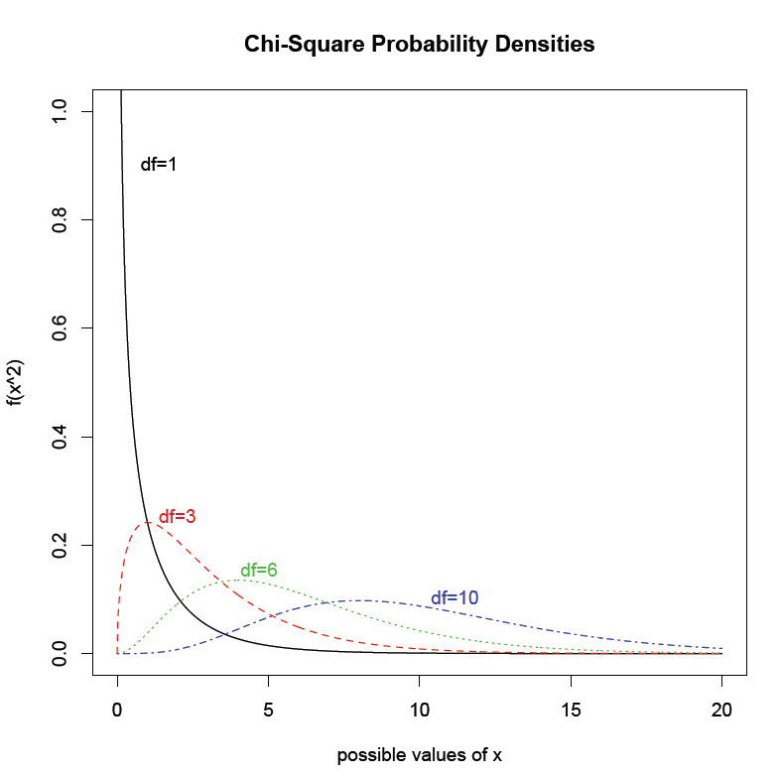
Example 1
Compute followings:

 | SOURCE CODE IN "R"

xvals <- seq(0, 20, length.out = 1000)
chisquare1 <- dchisq(xvals, df = 1)
chisquare3 <- dchisq(xvals, df = 3)
chisquare6 <- dchisq(xvals, df = 6)
chisquare10 <- dchisq(xvals, df = 10)
matplot(xvals, cbind(chisquare1, chisquare3, chisquare6, chisquare10),type = "l", xlab = "possible values of x", ylab = "f(x^2)", ylim = c(0, 1), main = "Chi-Square Probability Densities")
text(0.4, 0.9, "df=1", pos = 4, col = 1)
text(1, 0.25, "df=3", pos = 4, col = 2)
text(3.7, 0.15, "df=6", pos = 4, col = 3)
text(10, 0.1, "df=10", pos = 4, col = 4)

