Normal Random Variables
6.3 Normal Random Variables

The most important type of random variable is the normal random variable.
Because there are many real-life problems that are normally distributed.
The probability density function of a normal random variable X is determined by two
parameters: the expected value and the standard deviation

Probability density function of a normal random variable is given by

The normal probability density function is a bell-shaped density curve that is symmetric
about the value μ. Its variability is measured by σ.

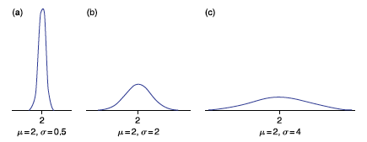

Effect of mean on f(x) is a horizontal shift.
Effect of standard deviation on f(x) is a vertical strech.

To calculate the probability that a normal random variable falls into a certain interval,
we need to compute the area under the normal curve over that interval.

Because the probability density function of a normal random variable X is symmetric
about its expected value μ,
P{X < μ} = P{X > μ} = 0.5

Example
Amount of time to assemble a computer is normally distributed with mean 50 min. and
standard deviation 10 min. | NORM.DIST(x, mean, st. dev., cumulative)
a) Find P(45<X<60).
P(X<60)-P(X<45)= | 0.53280720734

b) Find P(X>60)=1-P(X<60)= | 0.15865525393

Standard Normal Random Variable
A normal random variable having mean value 0 and standard deviation 1 is called
a standard normal random variable, and its density curve is called the standard
normal curve.
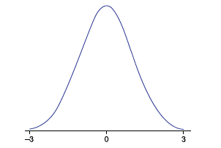

Empirical rule
Folowing rule is valid only for normal PDF.
1) Approximately 68% of all observations fall within one standard deviation of the mean.

2) Approximately 95% of all observations fall within two standard deviations of the mean.

3) Approximately 99.7% of all observations fall within three standard deviations of the mean.

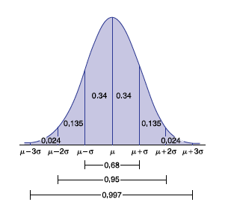

Example
At each monthly check-up, pediatricians regularly weight their patients to determine
whether they are growing too slowly. Suppose that the weights of 6-month-old babies produced
a bell-shaped histogram. The mean and standard deviation were computed and
found to be 18 and 1.5 pounds, respectively. Provide guidelines for pediatricians to select
babies that are low weight or overweight.

68% of 6 month old babies weigh between 18+-1.5 pounds = 16.5 and 19.5 pounds
95% of 6 month old babies weigh between 18+-2(1.5) pounds = 15 and 21 pounds
99.7% of 6 month old babies weigh between 18+-3(1.5) pound = 13.5 and 22.5 pounds

Standard Nor. Rand. Var.
6.4 Standard Normal Random Variables

We standardize random variable X by substracting its mean and dividing by its standard deviation.

The area under the PDF curve is invariant under this transformation.

WHY STANDARDIZE IT?

Computing

If we know the mean and the standard deviation, we can transform X into Z and use
Standard Normal Probability table to find probability needed.

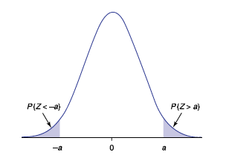

Example
a) Find P(Z<1.65) |  | NORM.S.DIST(1.65,true)
b) Find P(Z>=0.8) |  | NORM.S.DIST(-.8,true) | 0.21185539858
c) P(1<Z<2) | NORM.S.DIST(2,true)-NORM.S.DIST(1,true) |  | 0.13590512198

Example
Amount of time assemble a computer is normally distributed with mean 50 min. and
standard deviation 10 min.
a) Standardize and find P(45<X<60). |  | NORMSDIST(z)=NORMDIST(x,0,1,TRUE)
P(45<X<60) = P((45-50)/10<(X-50)/10<(60-50)/10) = P(-0.5<Z<1) = P(Z<1) - P(Z<-0.5)
 | NORM.S.DIST(1,TRUE)-NORM.S.DIST(-0.5,TRUE) |  | 0.53280720734

b) Standardize and find P(X>60).
P(X>60)=P((X-50)/10>(60-50)/10) = P(Z>1) = P(Z<-1) = |  |  | 0.15865525393
 |  | NORM.S.DIST(-1,TRUE)

Example 1 Data
Example
Suppose that data below is normally distributed.
Plot the PDF and CDF |  | (probability density function and cumulative density function).
x | f(x) | x | F(x) |  | E[X]= | 10
2 | 0.020200651125 | 2 | 0.045484473988 |  | SD[X]= | 4.7328638265
2.4 | 0.023219688292 | 2.4 | 0.054159690365
2.8 | 0.02649996492 | 2.8 | 0.064095087173
3.2 | 0.030028394255 | 3.2 | 0.075392782514
3.6 | 0.033784447115 | 3.6 | 0.08814818722
4 | 0.037739784801 | 4 | 0.10244694691
4.4 | 0.041858139336 | 4.4 | 0.11836178532 | To create the graph of a pdf for a normal distribution:
4.8 | 0.046095477248 | 4.8 | 0.13594935541 | 1) Sort your data (if it is not already sorted).
5.2 | 0.050400472602 | 5.2 | 0.15524721716 | 2) Find the following for your data:
5.6 | 0.054715301718 | 5.6 | 0.17627106875 | Mean=E[X] and S.D.
6 | 0.058976756532 | 6 | 0.19901235975 | 3) Develop a (normal) probability distribution. Use
6.4 | 0.063117656747 | 6.4 | 0.22343641036 | the function NORM.DIST(class value, mean,s.d., false) for each data value.
6.8 | 0.067068523649 | 6.8 | 0.2494811493 | 4) Graph your probabilities by using a scatter diagram with a line.
7.2 | 0.070759462018 | 7.2 | 0.27705656503
7.6 | 0.074122181855 | 7.6 | 0.30604494004 | Now to create the graph of a cdf for a normal distribution:
8 | 0.077092080039 | 8 | 0.33630190872
8.4 | 0.079610294247 | 8.4 | 0.36765834532 | 5) Develop a cumulative (normal) probability distribution. Use
8.8 | 0.081625638441 | 8.8 | 0.39992305283 | the function NORM.DIST(class value, mean,s.d., true) for each data value.
9.2 | 0.083096331233 | 9.2 | 0.4328861875 | 6) Graph your probabilities by using a scatter diagram with a line.
Probabililty Density Function
 | f(x)
2 | 0.020200651125
2.4 | 0.023219688292
2.8 | 0.02649996492
3.2 | 0.030028394255
3.6 | 0.033784447115
4 | 0.037739784801
4.4 | 0.041858139336
4.8 | 0.046095477248
5.2 | 0.050400472602
5.6 | 0.054715301718
6 | 0.058976756532
6.4 | 0.063117656747
6.8 | 0.067068523649
7.2 | 0.070759462018
7.6 | 0.074122181855
8 | 0.077092080039
8.4 | 0.079610294247
8.8 | 0.081625638441
9.2 | 0.083096331233
9.6 | 0.083991435707
10 | 0.084291941418
10.4 | 0.083991435707
10.8 | 0.083096331233
11.2 | 0.081625638441
11.6 | 0.079610294247
12 | 0.077092080039
12.4 | 0.074122181855
12.8 | 0.070759462018
13.2 | 0.067068523649
13.6 | 0.063117656747
14 | 0.058976756532
14.4 | 0.054715301718
14.8 | 0.050400472602
15.2 | 0.046095477248
15.6 | 0.041858139336
16 | 0.037739784801
16.4 | 0.033784447115
16.8 | 0.030028394255
17.2 | 0.02649996492
17.6 | 0.023219688292
18 | 0.020200651125
9.6 | 0.083991435707 | 9.6 | 0.46632331948
10 | 0.084291941418 | 10 | 0.5
10.4 | 0.083991435707 | 10.4 | 0.53367668052
10.8 | 0.083096331233 | 10.8 | 0.5671138125
11.2 | 0.081625638441 | 11.2 | 0.60007694717
11.6 | 0.079610294247 | 11.6 | 0.63234165468
12 | 0.077092080039 | 12 | 0.66369809128
12.4 | 0.074122181855 | 12.4 | 0.69395505996
12.8 | 0.070759462018 | 12.8 | 0.72294343497
13.2 | 0.067068523649 | 13.2 | 0.7505188507
13.6 | 0.063117656747 | 13.6 | 0.77656358964
14 | 0.058976756532 | 14 | 0.80098764025
14.4 | 0.054715301718 | 14.4 | 0.82372893125
14.8 | 0.050400472602 | 14.8 | 0.84475278284
Cumulative Density Function
 | F(x)
2 | 0.045484473988
2.4 | 0.054159690365
2.8 | 0.064095087173
3.2 | 0.075392782514
3.6 | 0.08814818722
4 | 0.10244694691
4.4 | 0.11836178532
4.8 | 0.13594935541
5.2 | 0.15524721716
5.6 | 0.17627106875
6 | 0.19901235975
6.4 | 0.22343641036
6.8 | 0.2494811493
7.2 | 0.27705656503
7.6 | 0.30604494004
8 | 0.33630190872
8.4 | 0.36765834532
8.8 | 0.39992305283
9.2 | 0.4328861875
9.6 | 0.46632331948
10 | 0.5
10.4 | 0.53367668052
10.8 | 0.5671138125
11.2 | 0.60007694717
11.6 | 0.63234165468
12 | 0.66369809128
12.4 | 0.69395505996
12.8 | 0.72294343497
13.2 | 0.7505188507
13.6 | 0.77656358964
14 | 0.80098764025
14.4 | 0.82372893125
14.8 | 0.84475278284
15.2 | 0.86405064459
15.6 | 0.88163821468
16 | 0.89755305309
16.4 | 0.91185181278
16.8 | 0.92460721749
17.2 | 0.93590491283
17.6 | 0.94584030963
18 | 0.95451552601
15.2 | 0.046095477248 | 15.2 | 0.86405064459
15.6 | 0.041858139336 | 15.6 | 0.88163821468
16 | 0.037739784801 | 16 | 0.89755305309
16.4 | 0.033784447115 | 16.4 | 0.91185181278
16.8 | 0.030028394255 | 16.8 | 0.92460721749
17.2 | 0.02649996492 | 17.2 | 0.93590491283
17.6 | 0.023219688292 | 17.6 | 0.94584030963
18 | 0.020200651125 | 18 | 0.95451552601

Standard Nor. Prob. Table
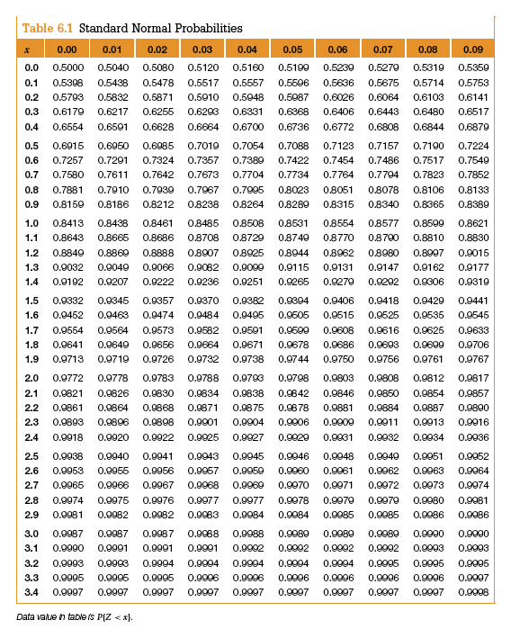

Example 2 Data
The data below represents time it takes to assemble a computer keyboard. It is normally distributed.
Draw the PDF and CDF.
Find P(100<=X<=130)=? |  |  | 2.1083901292E-10

Time | Sorted | f(x) | Sorted | F(x) |  | Mean= | 126.8
145 | 96 | 0.0028195451074 | 96 | 0.016280855737 |  | SD= | 14.409718942
128 | 99 | 0.0043055479021 | 99 | 0.026849702719
153 | 101 | 0.0055736129477 | 101 | 0.036690137513
141 | 103 | 0.0070774839035 | 103 | 0.04930163195
119 | 103 | 0.0070774839035 | 103 | 0.04930163195
101 | 104 | 0.0079179466435 | 104 | 0.056794495644
136 | 104 | 0.0079179466435 | 104 | 0.056794495644
104 | 104 | 0.0079179466435 | 104 | 0.056794495644 | To create the graph of a pdf for a normal distribution:
154 | 105 | 0.0088156568547 | 105 | 0.065156619459 | 1) Sort your data (if it is not already sorted).
106 | 106 | 0.0097679900631 | 106 | 0.07444402949 | 2) Find the following for your data:
126 | 106 | 0.0097679900631 | 106 | 0.07444402949 | Mean=E[X] and S.D.
129 | 106 | 0.0097679900631 | 106 | 0.07444402949 | 3) Develop a (normal) probability distribution. Use
106 | 106 | 0.0097679900631 | 106 | 0.07444402949 | the function NORM.DIST(class value, mean,s.d., false) for each data value.
118 | 107 | 0.010771201907 | 107 | 0.084709572107 | 4) Graph your probabilities by using a scatter diagram with a line.
122 | 107 | 0.010771201907 | 107 | 0.084709572107
133 | 108 | 0.011820383046 | 108 | 0.096001769611 | Now to create the graph of a cdf for a normal distribution:
124 | 111 | 0.015176941322 | 111 | 0.13643390938
146 | 112 | 0.01633749025 | 112 | 0.15219032156 | 5) Develop a cumulative (normal) probability distribution. Use
136 | 112 | 0.01633749025 | 112 | 0.15219032156 | the function NORM.DIST(class value, mean,s.d., true) for each data value.
113 | 113 | 0.017502289114 | 113 | 0.16911031584 | 6) Graph your probabilities by using a scatter diagram with a line.
Probabililty Density Function
 | f(x)
96 | 0.0028195451074
99 | 0.0043055479021
101 | 0.0055736129477
103 | 0.0070774839035
103 | 0.0070774839035
104 | 0.0079179466435
104 | 0.0079179466435
104 | 0.0079179466435
105 | 0.0088156568547
106 | 0.0097679900631
106 | 0.0097679900631
106 | 0.0097679900631
106 | 0.0097679900631
107 | 0.010771201907
107 | 0.010771201907
108 | 0.011820383046
111 | 0.015176941322
112 | 0.01633749025
112 | 0.01633749025
113 | 0.017502289114
113 | 0.017502289114
114 | 0.018660049494
114 | 0.018660049494
115 | 0.019798813052
116 | 0.020906144322
116 | 0.020906144322
117 | 0.02196934754
117 | 0.02196934754
117 | 0.02196934754
118 | 0.022975702539
119 | 0.023912713819
119 | 0.023912713819
120 | 0.024768366112
120 | 0.024768366112
120 | 0.024768366112
121 | 0.02553137923
121 | 0.02553137923
121 | 0.02553137923
122 | 0.026191454691
124 | 0.027167869633
125 | 0.027470477302
125 | 0.027470477302
126 | 0.027643004977
126 | 0.027643004977
126 | 0.027643004977
126 | 0.027643004977
127 | 0.027682972687
127 | 0.027682972687
128 | 0.027589804445
129 | 0.027364842065
...
142 | 113 | 0.017502289114 | 113 | 0.16911031584
129 | 114 | 0.018660049494 | 114 | 0.1871925611
115 | 114 | 0.018660049494 | 114 | 0.1871925611
147 | 115 | 0.019798813052 | 115 | 0.20642408789
148 | 116 | 0.020906144322 | 116 | 0.2267797127
139 | 116 | 0.020906144322 | 116 | 0.2267797127
108 | 117 | 0.02196934754 | 117 | 0.24822166747
147 | 117 | 0.02196934754 | 117 | 0.24822166747
141 | 117 | 0.02196934754 | 117 | 0.24822166747
132 | 118 | 0.022975702539 | 118 | 0.27069945588
147 | 119 | 0.023912713819 | 119 | 0.29414995264
132 | 119 | 0.023912713819 | 119 | 0.29414995264
112 | 120 | 0.024768366112 | 120 | 0.31849775568
133 | 120 | 0.024768366112 | 120 | 0.31849775568
Cumulative Density Function
 | F(x)
96 | 0.016280855737
99 | 0.026849702719
101 | 0.036690137513
103 | 0.04930163195
103 | 0.04930163195
104 | 0.056794495644
104 | 0.056794495644
104 | 0.056794495644
105 | 0.065156619459
106 | 0.07444402949
106 | 0.07444402949
106 | 0.07444402949
106 | 0.07444402949
107 | 0.084709572107
107 | 0.084709572107
108 | 0.096001769611
111 | 0.13643390938
112 | 0.15219032156
112 | 0.15219032156
113 | 0.16911031584
113 | 0.16911031584
114 | 0.1871925611
114 | 0.1871925611
115 | 0.20642408789
116 | 0.2267797127
116 | 0.2267797127
117 | 0.24822166747
117 | 0.24822166747
117 | 0.24822166747
118 | 0.27069945588
119 | 0.29414995264
119 | 0.29414995264
120 | 0.31849775568
120 | 0.31849775568
120 | 0.31849775568
121 | 0.34365579421
121 | 0.34365579421
121 | 0.34365579421
122 | 0.36952618808
124 | 0.42296528719
125 | 0.45029514799
125 | 0.45029514799
126 | 0.47786286124
126 | 0.47786286124
126 | 0.47786286124
126 | 0.47786286124
127 | 0.50553695008
127 | 0.50553695008
128 | 0.53318440659
129 | 0.56067260658
...
126 | 120 | 0.024768366112 | 120 | 0.31849775568
114 | 121 | 0.02553137923 | 121 | 0.34365579421
136 | 121 | 0.02553137923 | 121 | 0.34365579421
112 | 121 | 0.02553137923 | 121 | 0.34365579421
127 | 122 | 0.026191454691 | 122 | 0.36952618808
116 | 124 | 0.027167869633 | 124 | 0.42296528719
96 | 125 | 0.027470477302 | 125 | 0.45029514799
103 | 125 | 0.027470477302 | 125 | 0.45029514799
119 | 126 | 0.027643004977 | 126 | 0.47786286124
141 | 126 | 0.027643004977 | 126 | 0.47786286124
130 | 126 | 0.027643004977 | 126 | 0.47786286124
127 | 126 | 0.027643004977 | 126 | 0.47786286124
130 | 127 | 0.027682972687 | 127 | 0.50553695008
148 | 127 | 0.027682972687 | 127 | 0.50553695008
125 | 128 | 0.027589804445 | 128 | 0.53318440659
138 | 129 | 0.027364842065 | 129 | 0.56067260658
130 | 129 | 0.027364842065 | 129 | 0.56067260658
138 | 130 | 0.027011313001 | 130 | 0.58787121501
113 | 130 | 0.027011313001 | 130 | 0.58787121501
104 | 130 | 0.027011313001 | 130 | 0.58787121501
116 | 130 | 0.027011313001 | 130 | 0.58787121501
132 | 130 | 0.027011313001 | 130 | 0.58787121501
136 | 130 | 0.027011313001 | 130 | 0.58787121501
149 | 131 | 0.026534253298 | 131 | 0.61465403688
105 | 131 | 0.026534253298 | 131 | 0.61465403688
104 | 132 | 0.02594038823 | 132 | 0.64090076943
135 | 132 | 0.02594038823 | 132 | 0.64090076943
140 | 132 | 0.02594038823 | 132 | 0.64090076943
134 | 133 | 0.025237974558 | 133 | 0.66649861554
141 | 133 | 0.025237974558 | 133 | 0.66649861554
131 | 133 | 0.025237974558 | 133 | 0.66649861554
133 | 133 | 0.025237974558 | 133 | 0.66649861554
126 | 134 | 0.0244366096 | 134 | 0.69134372228
133 | 134 | 0.0244366096 | 134 | 0.69134372228
126 | 134 | 0.0244366096 | 134 | 0.69134372228
111 | 135 | 0.023547013277 | 135 | 0.71534241444
152 | 136 | 0.022580790034 | 136 | 0.73841219948
120 | 136 | 0.022580790034 | 136 | 0.73841219948
144 | 136 | 0.022580790034 | 136 | 0.73841219948
117 | 136 | 0.022580790034 | 136 | 0.73841219948
142 | 138 | 0.020467793059 | 138 | 0.7814952965
134 | 138 | 0.020467793059 | 138 | 0.7814952965
125 | 138 | 0.020467793059 | 138 | 0.7814952965
130 | 139 | 0.019346374854 | 139 | 0.80140510379
120 | 140 | 0.018198542411 | 140 | 0.82017924538
138 | 140 | 0.018198542411 | 140 | 0.82017924538
130 | 140 | 0.018198542411 | 140 | 0.82017924538
117 | 141 | 0.017036565118 | 141 | 0.83779747989
99 | 141 | 0.017036565118 | 141 | 0.83779747989
106 | 141 | 0.017036565118 | 141 | 0.83779747989
121 | 141 | 0.017036565118 | 141 | 0.83779747989
114 | 142 | 0.015872154994 | 142 | 0.85425157293
121 | 142 | 0.015872154994 | 142 | 0.85425157293
120 | 144 | 0.013579034426 | 144 | 0.88369036024
107 | 145 | 0.012469470862 | 145 | 0.89671195646
117 | 146 | 0.011395557736 | 146 | 0.90864119837
107 | 147 | 0.010364099474 | 147 | 0.91951723676
131 | 147 | 0.010364099474 | 147 | 0.91951723676
130 | 147 | 0.010364099474 | 147 | 0.91951723676
140 | 148 | 0.0093807159415 | 148 | 0.92938543538
121 | 148 | 0.0093807159415 | 148 | 0.92938543538
140 | 149 | 0.0084498465761 | 149 | 0.93829618617
134 | 152 | 0.0059998154606 | 152 | 0.95983890265
157 | 153 | 0.0053013250528 | 153 | 0.96548453514
103 | 154 | 0.0046616471838 | 154 | 0.970461165
106 | 157 | 0.0030793202364 | 157 | 0.98195037375

