Chi-Sq. Goodness of fit
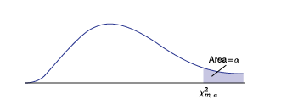
13.2 CHI-SQUARED GOODNESS-OF-FIT TESTS

We will consider multinominal data that each member of the population
has a value that can be 1 or 2 or 3 or . . . or k.

if we let Pi denote the true proportion of the population that has value i, for
i = 1, . . . , k, then we are interested in testing
H0: P1 = p1, P2 = p2, . . . , Pk = pk
against the alternative hypothesis
H1: Pi ≠ pi for some i, i = 1, . . . , k

Multinominal Experiment
A multinominal experiment has the following properties:
1) Fixed number of trials n.
2) Outcome of each trial can be classified into one of k categories, called cells.
3) The probability Pi that the outcome will fall into cell i remains constant f
or each trial and |  | P1+P2+…+Pk=1
4) Each trial of the experiment is independent of the other intervals.

Note that when k=2, multinominal experiment is identical to a binomial experiment.

We count the number of successes "x" and the number of outcomes falling into
each of the k cells. Then we obtain a set of observed frequencies:
 | f1+f2+…+fk=n
where fi is the frequency of outcomes falling into cell i.

Test statistic for the goodness-of-fit test is

where f_i is the frequency of the i-th outcome, e_i is the expected frequency and
degree of fredom is k-1
The sampling distribution of the test statistic is approximatelly chi-squared
provided that the sample size is large.

