The test
How do we test H0?

Suppose that X1, . . . , Xn are a sample from a normal distribution having an
unknown mean μ and a known variance σ2, and suppose we want to test the null
hypothesis that the mean μ is equal to some specified value against the alternative
that it is not. That is, we want to test

against the alternative hypothesis

for a specified value μ0.

Question:
For what value of c we have

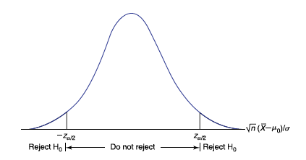
Since we have the following normalization

The interval in the above question becomes

which is in probability statement:

Due to a property of an absolute value, we must have

which is

Since

the value of c is

Example:
The number of sample data 106 of body temperature have mean 98.20 F.
Assume that the population SD is 0.62 F. Use a 0.05 significance level to
test the common belief that the mean body temperature of healty adults is 98.6 F.

n=106 | mu=98.6 | x^bar=98.2
sigma=.62 so var= |  | 0.3844
alpha=.05

If mu=98.6 represents the mean body temperature of healthy adults, then the null
hypothesis we want to test is
H0: mu=98.6 against the alternative
H1:mu not equal to 98.6.

We are interested in testing this at significance level .05
To begin, we must compute the value of the statistic:
Z=ABS(98.2-98.6)/(.62/SQRT(106))= |  |  | 6.6423420264

Since this value is more than
z_(.025)= | 1.9599639845
the null hypothesis is rejected.

One-Sided Test
One-Sided Test

In this case, the hypothesis we are interested in testing is that
the mean is less than or equal to some specified value μ0 versus the alternative
that it is greater than that value. That is, we are often interested in testing

against the alternative

we would want to reject H0 only when the sample mean X^bar is much larger
than μ0 (and no longer when it is much smaller), i.e., ONE-SIDED.

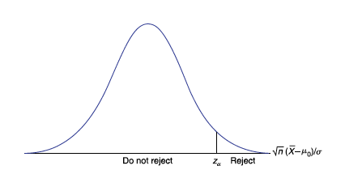

Reject the null hypothesis if the test statistic is bigger or equal z_alpha.

The null hypothesis is then rejected at any significance level greater than or equal
to the p value.

In the case of

the rejection region will be on the left and all calculations are same as above.

SUMMARY
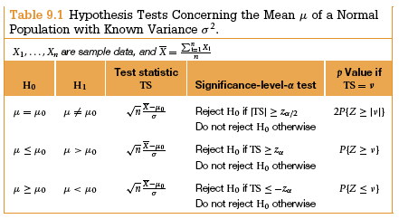

Example:
The manager of a department store is thinking about establishing a new billing system for the
store's credit customers. He determines that the new system will be cost effective
if the mean monthly account is more than $170. A random sample of 400 monthly accounts
is drawn for which the sample mean is $178. The manager knows that the accounts are
approximately normally distributed with a SD of $65.
Can he conclude from this that the new system will be cost efective?

Claim mean monthly account is more than $170
Null hypothesis H0: mu<=170 against the alternate hypothesis
Ha: mu>170

x^bar=178
sigma=65
n=400
Test statistic z=X^bar-mu/(sigma/SQRT(n)) = (178-170)/(65/SQRT(400)) = |  | 2.4615384615
What is the p-value? It is P(Z>t.s.) = 1-NORM.S.DIST(2.464538,true) = | 0.0069171281929

Thus, H0 would be rejected at all significance levels above .006917 and would
not be rejected for lower significance levels. Strong indicator that the
null hypothesis is true.

