t-Distribution
9.4 Inference About a Population Mean with Unknown Standard Deviation

Student t-Distribution
t-density function of student t-distribution is

where n is the parameter of the student t-distribution called degrees of freedom.

t-distribution is discovered by mathematician William S. Gosset in 1908 and refined by R. A. Fisher in 1925.

The mean of a student random variable is

The variance of a student random variable is

Normal distribution is bell shaped
Student t-distribution is mound shaped.

As n increases (degrees of freedom) the distribution's dispersion
becomes smaller and approaches to the standard normal distribution.

R-Source Code (for those who are interested):

# Display the Student's t distributions with various
# degrees of freedom and compare to the normal distribution

x <- seq(-4, 4, length=100)
hx <- dnorm(x)

degf <- c(1, 3, 8, 30)
colors <- c("red", "blue", "darkgreen", "gold", "black")
labels <- c("df=1", "df=3", "df=8", "df=30", "normal")

plot(x, hx, type="l", lty=2, xlab="x value",
ylab="Density", main="Comparison of t Distributions")

for (i in 1:4){
lines(x, dt(x,degf[i]), lwd=2, col=colors[i])
}

legend("topright", inset=.05, title="Distributions",
labels, lwd=2, lty=c(1, 1, 1, 1, 2), col=colors)

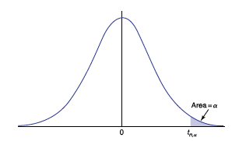
Determining Student t-values
For each value of n (degree of freedom), there is a different student t-distribution.

The quantity | is defined to be:

where Tn is a t random variable with n degrees of freedom.

Using EXCEL:

T.DIST(X, n, cum.) |  | area to the left of x.
T.DIST.2T(X,n) |  | (area to the right of x) + (area to the left of -x)
T.DIST.RT(X,n) |  | area to the right of x.
T.INV.2T(Prob., n)

T.INV.2T(0.05, 200) = 1.972 |  | means | P(t > 1.972) + P(t < -1.972) = 0.025 + 0.025 = 0.05

Note:
Degree of freedom is the number of sample values that can vary after certain restrictions
have been imposed on all data values.
e.g., Let 10 students have quiz score with mean 80. We can freely assign scores to first 9 values
then 10th value is determined by 800-sum of first 9 scores.
Thus the degree of freedom is n-1=9.
NOTE: When working with a particular sample size n, the degree of freedom is n-1.

Two sided test
How do we test H0?

Suppose that X1, . . . , Xn are a sample from a normal distribution having an
unknown mean μ and unknown standard deviation, and suppose we want to test the null
hypothesis that the mean μ is equal to some specified value against the alternative
that it is not. That is, we want to test

against the alternative hypothesis

for a specified value μ0.

t-statistics is defined by

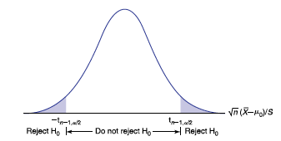

where S is sample standard deviation:

Reject H0 if |T| ≥ t_(n−1,α/2)
do not reject H0 otherwise

Note that this test is two tailed and the area at each tail is alpha/2 where alpha is the significance level.

p-Value Method:

p-value = 2P(|T_(n-1)|>=|t.s.|)
where t.s. is the test statistic and T_(n-1) is a t random variable with n-1 d.o.f.

Example:
A fast-food establishment has been averaging about $2000 of business
per weekday. To see whether business is changing due to a deteriorating
economy (which may or may not be good for the fast-food industry),
management has decided to carefully study the figures for the next
8 days. Suppose the figures are

2050 | 2212 | 1880 | 2121 | 2205 | 2018 | 1980 | 2188

(a) What are the null and the alternative hypotheses? |  |  |  |  |  | s.d.= | 120.18646228
(b) Are the data significant enough, at the 5 percent level, to prove |  |  |  |  |  |  | STDEV.S(A46:H46)
that a change has occurred? |  |  |  |  |  | x^bar= | 2081.75
(c) What about at the 1 percent level? |  |  |  |  |  |  | AVERAGE(A46:H46)
(d) Find the p value.
a)
H0: mu=2000
HA: mu not equa to 2000
We make note that sigma (the pop. S.d. is NOT given here) this tell us that we must use a t-test!

b) given alpha=.05 now we need to compute t_(7,.05/2)=t_(7,.025)= |  |  |  |  |  | -2.3646242516
d.o.f. n-1=8-1=7 |  |  |  |  |  | T.INV(0.025,7)
Now, find the t.s. and see if it falls in the rejection region
t.s.=(x^bar-mu)/(s.d./SQRT(n))= |  |  | 1.9238765587
 |  |  | (H50-2000)/(H48/SQRT(8))
 | The t.s. does not fall in the rejection region, so we FAIL TO REJECT the null hypothesis.
 | This means that the average of $2000 business per weekday holds, it has not changed.
b) now calculate t_(7,0.01/2)=t_(7,.005)= |  |  |  | -3.4994832974 |  | still, the t.s. falls into the DO NOT REJECT region, same result as part a)
 |  |  |  | T.INV(0.005,7) |  | 0.005
c) p-value: | Use 2*T.DIST.RT(1.924,7) or T.DIST.2T(1.924,7)
 | 0.095781756065 |  | 0.095781756065
 |  | Since p-value is not "small" i.e. not less than .05, we FAIL TO REJECT the null hypothesis.

One-Sided Test
One-Sided Test

In this case, the hypothesis we are interested in testing is that
the mean is less than or equal to some specified value μ0 versus the alternative
that it is greater than that value. That is, we are often interested in testing

against the alternative

we would want to reject H0 only when the sample mean X^bar is much larger
than μ0 (and no longer when it is much smaller), i.e., ONE-SIDED.

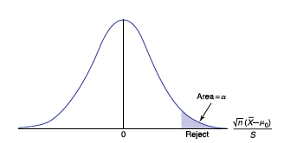

The significance-level-α test is again based on the test statistic.

and the test is as follows:
Reject H0 if T ≤ −t_(n−1,α)
Do not reject H0 otherwise
In addition, the p value equals the probability that a t-random variable with n − 1
degrees of freedom is less than or equal to the observed value of T.

In the case of

the rejection region will be on the left and all calculations are same as above.

SUMMARY

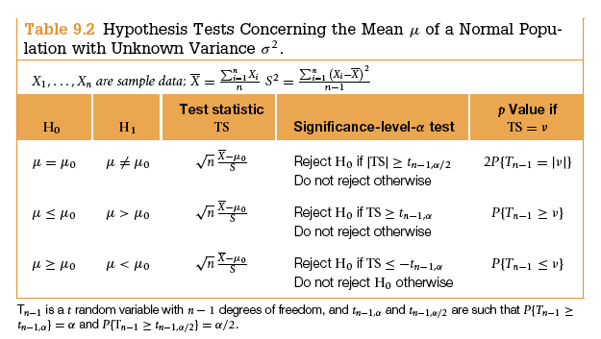

Note:
The t-test can be used even when the underlying distribution is not normal, provided
the sample size is reasonably large. This is true because the central limit
theorem states that the sample mean X will be approximately normal no matter what the
population distribution and the sample standard deviation S be will approximately
equal to σ.

Example:
A random sample of 400 observations was taken from a normal population.
The sample mean and sample standard deviation are 5100 and 750 respectively.
Use p-value method to determine whether there is enough evidence to infer
that the population mean is greater than 5000.
NOTE: When deciding which is the null and which is the alternate hyp, the strict inequality is always the alternate
and it is your claim. Also notice, that sigma is NOT given, so we know to use the t-distribution instead of the normal distribution!
H0: mu <=5000 |  | s.d.=750 | x^bar= | 5100
HA: mu>5000 |  | n=400 | d.o.f.=n-1=399

t.s.=(x^bar-mu)/(s.d/SQRT(n))= |  |  | 2.6666666667
 |  |  | (5100-5000)/(750/SQRT(400))

 | p-value will allow us to determine whether to reject or fail to reject the null hypothesis.
 | small p-value, speaks to the falsity of the null hyp.

 |  | P(T_399>t.s.)= | 0.0039861822793
 |  |  | 1-T.DIST(D92,399,TRUE)
 |  | Since the p-value is less than common significance levels (i.e. .10, .05 and even .01) we
 |  | REJECT the null hypothesis.
 |  | This means our claim is true, i.e. the population mean is greater than 5000.

