Standard Nor. Dist.
6.5 Finding Normal Probabilities

We standardize random variable X by substracting its mean and dividing by its standard deviation.

The area under the PDF curve is invariant under this transformation.

if we standardize a normal random
variable by subtracting its mean and then dividing by its standard deviation, the
resulting variable has a standard normal distribution.

The value of the standardized variable tells us how many standard deviations the
original variable is from its mean. For instance, if the standardized variable Z has
value 2, then X is larger than its mean by 2 standard deviations.

Example
a) Find P(|Z|>1) | Since graph is symmetric P(|Z|>1) = P(Z<-1) + P(Z>1) = 2*P(Z<-1)= |  |  | 0.31731050786
b) Find P(|Z|>2) = 2*P(Z<-2) = |  | 0.045500263896 | or 2*P(Z>2)=2*(1-P(Z<2))= | 0.045500263896

If we know the mean and the standard deviation, we can transform X into Z and use
Standard Normal Probability table to find probability needed.

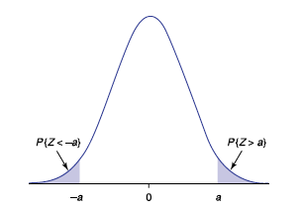

Example
Amount of time assemble a computer is normally distributed with mean 50 min. and
standard deviation 10 min.
Standardize and find P(|X|>60).

P(|(X-50)/10|>(60-50)/10) = P(|Z|>1) = 2(1-P(Z<-1)) = |  |  | 0.31731050786

Standard Nor. Prob. Table
6.7 Percentiles of Normal Random Variables
Let be the value of a standard normal random variable such that

represents z-value such that the area to its right under the standard normal curve is .

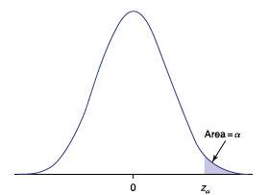

Function NORM.S.INV(p) returns the 100pth percentile of standard normal (Z)
Examples
Find | The 97.5 percentile z_{0.025} is the value for which |  |  | P(Z>z_{0.025} )=0.025
 | or equivalently | P(Z<z_{0.025} )=0.975 | Use excel to get the 97.5th percentile
 |  |  |  | 1.9599639845
Find | The 97th percentile z_{.03} is the value for which P(Z>z_{0.03}) = 0.03
 | or equivalently P(Z<z_{0.03})=0.97 |  | Use excel to get the 97th percentile
 |  |  |  | 1.8807936082
Note:
Since 100(1 − α) percent of the time a standard normal random variable
will be less than zα, we call zα the 100(1 − α) percentile of the standard normal
distribution.

The value is the 100(1 − α) th percentile of a standard normal random variable.

e.g., means 1.645 is the 95th percentile: 95% of all values of z are below 1.645.

USING EXCEL
To determime a value of x , given a cumulated probability:

NORM.INV(prob, mean, st.dev.)

NORM.INV(prob,0,1)=NORM.S.INV(prob)

