Gant planning
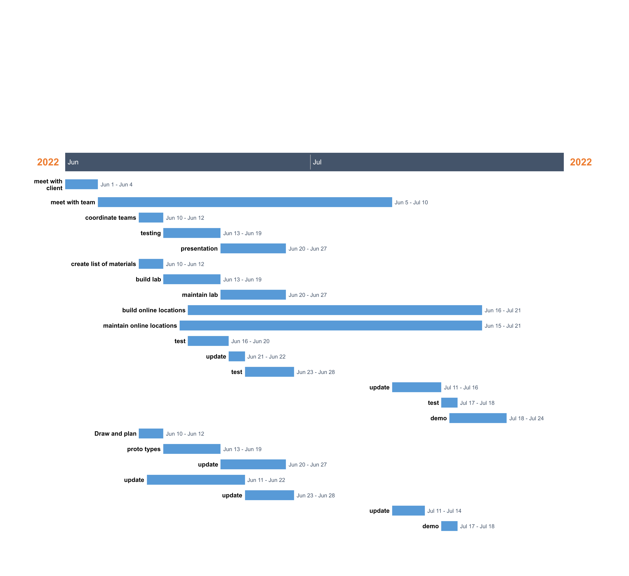
Game Project | PM Sue Brandt

 | task | Start date | End date | duration/days
 | meet with client | 2022-06-01 | 2022-06-04 | 3
 | meet with team | 2022-06-05 | 2022-07-10 | 35
 | coordinate teams | 2022-06-10 | 2022-06-12 | 2
 | testing | 2022-06-13 | 2022-06-19 | 6
 | presentation | 2022-06-20 | 2022-06-27 | 7
 | create list of materials | 2022-06-10 | 2022-06-12 | 2
 | build lab | 2022-06-13 | 2022-06-19 | 6
 | maintain lab | 2022-06-20 | 2022-06-27 | 7
 | build online locations | 2022-06-16 | 2022-07-21 | 35
 | maintain online locations | 2022-06-15 | 2022-07-21 | 36
 | test | 2022-06-16 | 2022-06-20 | 4
 | update | 2022-06-21 | 2022-06-22 | 1
 | test | 2022-06-23 | 2022-06-28 | 5
 | update | 2022-07-11 | 2022-07-16 | 5
 | test | 2022-07-17 | 2022-07-18 | 1
 | demo | 2022-07-18 | 2022-07-24 | 6
 | Draw and plan | 2022-06-10 | 2022-06-12 | 2
 | proto types | 2022-06-13 | 2022-06-19 | 6
 | update | 2022-06-20 | 2022-06-27 | 7
 | update | 2022-06-11 | 2022-06-22 | 11
 | update | 2022-06-23 | 2022-06-28 | 5
 | update | 2022-07-11 | 2022-07-14 | 3
 | demo | 2022-07-17 | 2022-07-18 | 1

