Ex.3 Charts
 |  |  |  | All are relative frequency graphs

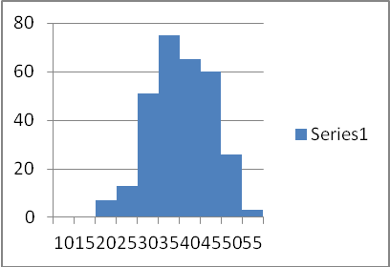
A |  |  |  | Histogram
 |  |  |  | skewed to the left
 |  |  |  | Ranges are grouped by 5
 |  |  |  | Ranges are (11-15, 16-20, 21-25, 26-30, 31-35, 36-40, 41-45, 46-50, 51-55
 |  |  |  | Range of 31-35 has greatest frequency of 75
 |  |  |  | Range of 51-55 has lowest frequency of 2.5
 |  |  |  | Not Symmetric

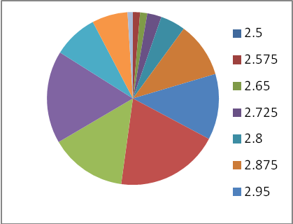
B |  |  |  | Pie Chart
 | 2.5 |  |  | Total of Pie Chart = 19 so 19 = 100%
 | 2.575 |  |  | Frequency of unordered Variables
 | 2.65
 | 2.725
 | 2.8
 | 2.875
 | 2.875
 | 19

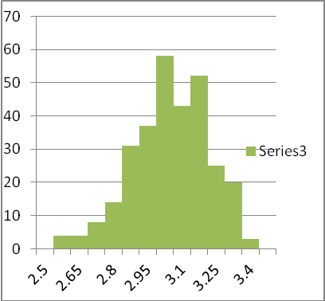
C |  |  |  | Histogram
 |  |  |  | Bi-Modal
 |  |  |  | Skewed to the left
 | 2.5 |  |  | Range/Interval is 0.15
 | 2.65 | 0.15 |  | Not Symmetric
 | 2.8 | 0.15
 | 2.95 | 0.15
 | 3.1 | 0.15
 | 3.25 | 0.15
 | 3.4 | 0.15

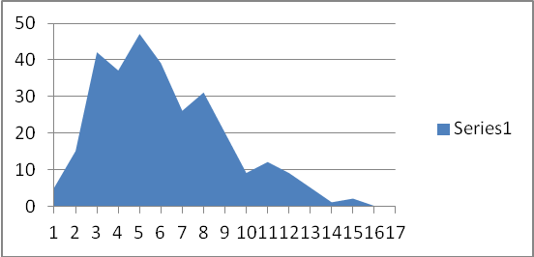
D |  |  |  | Frequency Polygon
 |  |  |  | Skewed to the right
 |  |  |  | Ordered Variables
 |  |  |  | Not Symmetric

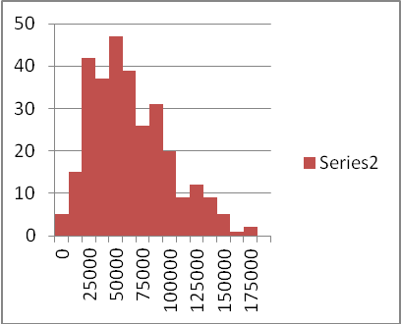
E |  |  |  | Histogram
 | 25000 |  |  | Skewed to the right
 | 50000 | 25000 | 12500 | Range/Interval is 12500
 | 75000 | 25000 | 12500 | Not Symmetric
 | 100000 | 25000 | 12500
 | 125000 | 25000 | 12500
 | 150000 | 25000 | 12500
 | 175000 | 25000 | 12500

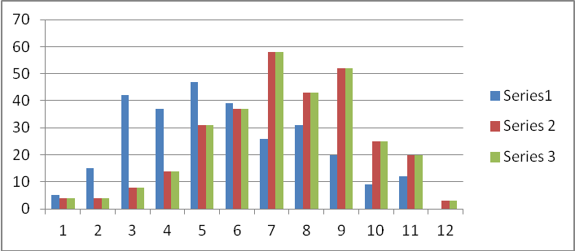
F |  |  |  | Bar Graph - Not a Histogram
 |  |  |  | Compares 3 series of variables
 |  |  |  | Series 1 is skewed to the right
 |  |  |  | Series 2 & 3 are bi-modal (series 1 less so)
 |  |  |  | Series 2 & 3 are skewed to the left and appear to be identical
 |  |  |  | Not Symmetric

